Recommendation
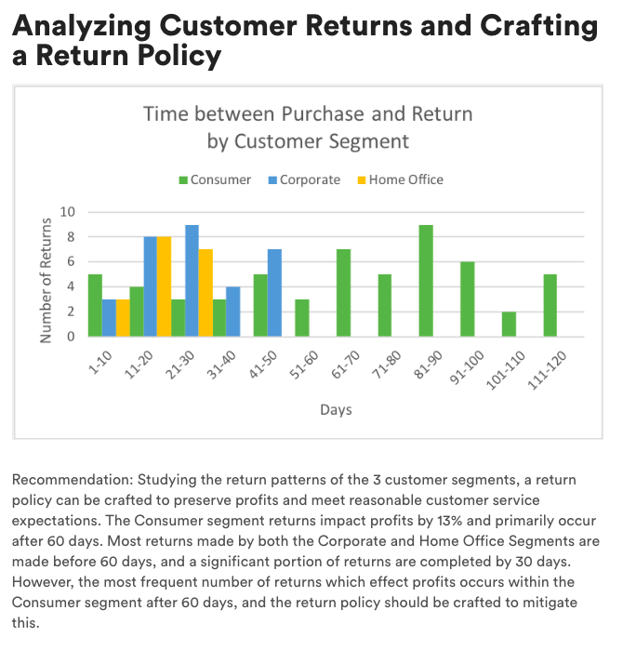
Recommendation: Studying the return patterns of the 3 customer segments, a return policy can be crafted to preserve profits and meet reasonable customer service expectations. The Consumer segment returns impact profits by 13% and primarily occur after 60 days. Most returns made by both the Corporate and Home Office Segments are made before 60 days, and a significant portion of returns are completed by 30 days. However, the most frequent number of returns which effect profits occurs within the Consumer segment after 60 days, and the return policy should be crafted to mitigate this.

Time between Purchase and Return by Customer Segment
 | Consumer | Corporate | Home Office
1-10 | 5 | 3 | 3
11-20 | 4 | 8 | 8
21-30 | 3 | 9 | 7
31-40 | 3 | 4 | 0
41-50 | 5 | 7 | 0
51-60 | 3 | 0 | 0
61-70 | 7 | 0 | 0
71-80 | 5 | 0 | 0
81-90 | 9 | 0 | 0
91-100 | 6 | 0 | 0
101-110 | 2 | 0 | 0
111-120 | 5 | 0 | 0
Total Returns by Segment
Consumer | 61.28
Corporate | 24.00
Home Office | 19.70
 | Sales Impact of Returns by Segment
 |  | Sales | Profit
 | Consumer | 18% | 13%
 | Corporate | 7% | 6%
 | Home Office | 18% | 4%

Frequency of Consumer Returns over Time
1-10 | 5
11-20 | 4
21-30 | 3
31-40 | 3
41-50 | 5
51-60 | 3
61-70 | 7
71-80 | 5
81-90 | 9
91-100 | 6
101-110 | 2
111-120 | 5
Frequency of Corporate Returns over Time
1-10 | 3
11-20 | 8
21-30 | 9
31-40 | 4
41-50 | 7
51-60 | 0
61-70 | 0
71-80 | 0
81-90 | 0
91-100 | 0
101-110 | 0
111-120 | 0
Frequency of Home Office Returns over Time
1-10 | 3
11-20 | 8
21-30 | 7
31-40 | 0
41-50 | 0
51-60 | 0
61-70 | 0
71-80 | 0
81-90 | 0
91-100 | 0
101-110 | 0
111-120 | 0

ReturnbySegment
quantity | (All) |  |  |  | Returns
 |  |  |  |  | Mean | Median | SD
Row Labels | Sum of sales | Sum of profit | Sum of quantity | Consumer | 61.28 | 66.50 | 32.83
Consumer | 17170.894 | 1263.8916 | 196 | Corporate | 24.00 | 25.93 | 13.85
7 | 1334.304 | 133.4304 | 12 | Home Office | 19.70 | 19.00 | 46.54
10 | 1331.76 | 26.6352 | 12 |  | Profits
13 | 839.43 | 218.2518 | 3 | Consumer | 39.50 | 17.24 | 145.30
18 | 603.92 | 66.4312 | 4 | Corporate | 14.99 | 32.22 | 135.65
20 | 55.5 | 9.99 | 2 | Home Office | 6.56 | 13.17 | 46.54
22 | 97.264 | -243.16 | 4
29 | 132.568 | -357.9336 | 4
Total Returns by Segment
31 | 79.9 | 35.156 | 2
34 | 321.568 | 28.1372 | 2
39 | 27.68 | 9.688 | 2
41 | 54.384 | 1.3596 | 2
45 | 984.672 | 86.1588 | 12
48 | 21.744 | 6.795 | 3
53 | 1223.928 | 397.7766 | 9
61 | 102.624 | 35.9184 | 6
66 | 2077.68 | 103.884 | 10
67 | 5.98 | 2.691 | 1
68 | 2089.26 | 480.5298 | 6
73 | 75.88 | 35.6636 | 2
75 | 71.76 | 35.1624 | 12
79 | 28.4 | 13.348 | 5
81 | 2192.76 | -76.9194 | 12
82 | 1372.704 | 154.4292 | 6
85 | 4.616 | 1.731 | 1
86 | 38.6 | -28.95 | 10
91 | 38.1 | 17.526 | 6
92 | 142.744 | -2.0392 | 4
96 | 31.104 | 10.8864 | 6
104 | 423.92 | 16.9568 | 8
113 | 1343.86 | 40.3158 | 14
115 | 7.16 | 3.4368 | 2
117 | 15.12 | 0.6048 | 12
Corporate | 3179.048 | 451.1208 | 113
5 | 1451.68 | 420.9872 | 8
9 | 14.62 | 6.8714 | 2
13 | 238.56 | 18.138 | 6
16 | 28.56 | 13.4232 | 14
18 | 70.336 | 19.3424 | 14
20 | 10.56 | 4.752 | 2
23 | 147.168 | 16.5564 | 4
25 | 444.016 | 139.8062 | 23
27 | 125.88 | 32.7288 | 6
31 | 37.296 | -24.864 | 14
38 | 191.232 | 19.1232 | 4
44 | 82.752 | 9.1872 | 12
45 | 20.8 | 6.5 | 2
49 | 315.588 | -231.4312 | 2
Home Office | 3615.841 | 65.5759 | 73
10 | 383.072 | 55.9148 | 19
14 | 1801.674 | -25.7382 | 9
15 | 213.115 | -15.2225 | 5
17 | 13.26 | 3.5802 | 6
18 | 96.53 | 40.5426 | 7
20 | 158.368 | 13.8572 | 7
22 | 49.54 | 13.438 | 4
24 | 93.888 | 12.9096 | 4
27 | 460.752 | -97.9098 | 6
30 | 345.642 | 64.204 | 6
Grand Total | 23965.783 | 1780.5883 | 382

ProfitVsReturn
Return after "x" days | (Multiple Items) | Sum of sales and Profit of Returns Made
 |  |  |  |  |  | Sales | Profit
Row Labels | Sum of sales | Sum of profit |  |  | Consumer | 18% | 13%
Consumer | 17170.894 | 1263.8916 |  |  | Corporate | 7% | 6%
Corporate | 3179.048 | 451.1208 |  |  | Home Office | 18% | 4%
Home Office | 3615.841 | 65.5759
Grand Total | 23965.783 | 1780.5883

Return after "x" days | (All) | All Sales and Profit

Row Labels | Sum of sales | Sum of profit
Consumer | 95423.042 | 9613.481
Corporate | 43537.6778 | 7294.3194
Home Office | 19934.186 | 1776.7981
Grand Total | 158894.9058 | 18684.5985
Time between Purchase and Return by Customer Segment

Count of segment | Column Labels
Row Labels | Consumer | Corporate | Home Office | Grand Total | Row Labels | Consumer | Corporate | Home Office
1-10 | 5 | 3 | 3 | 11 | 1-10 | 5 | 3 | 3
11-20 | 4 | 8 | 8 | 20 | 11-20 | 4 | 8 | 8
21-30 | 3 | 9 | 7 | 19 | 21-30 | 3 | 9 | 7
31-40 | 3 | 4 |  | 7 | 31-40 | 3 | 4 | 0
41-50 | 5 | 7 |  | 12 | 41-50 | 5 | 7 | 0
51-60 | 3 |  |  | 3 | 51-60 | 3 | 0 | 0
61-70 | 7 |  |  | 7 | 61-70 | 7 | 0 | 0
71-80 | 5 |  |  | 5 | 71-80 | 5 | 0 | 0
81-90 | 9 |  |  | 9 | 81-90 | 9 | 0 | 0
91-100 | 6 |  |  | 6 | 91-100 | 6 | 0 | 0
101-110 | 2 |  |  | 2 | 101-110 | 2 | 0 | 0
111-120 | 5 |  |  | 5 | 111-120 | 5 | 0 | 0
Grand Total | 57 | 31 | 18 | 106

Consumer Returns over Time
Corporate Returns over Time
Home Office Returns over Time

